detailed-tech
ID | Field | Name | Brief description | CO2 emissions reduction potential/Fuel saving |  |  |  |  |  |  |  | Cost/Investment | Timeframe for deployment | Attainability/Readiness conditions |  | Main challenges | Notes
 |  |  |  |  |  |  |  |  |  |  |  |  |  | Attainability conditions | Readiness conditions
T01 | Technology | Turboprop | ●ICAO MDG CBin Category △01: TP ≤19 Pax △02: TP 20-85 Pax ●Notional DHC Dash 8-400 ●Range Limitations △TRA Range (nmi): 1,100 △ATW-T1 Range (nmi): 1,100 △ACA-T2 Range (nmi): 500 △ACA-T3 Range (nmi): 500 ●ATW Results Sheet-TP show the Detailed ATW technical information ●Market Share Sheet shows the market share ●Turboprop Energy Detail Tables shows year-by-year improvements | Vehicle Perspective |  |  | Energy Intensity (MJ/ATK) | Energy Intensity Relative to 2018 TRA |  |  |  | 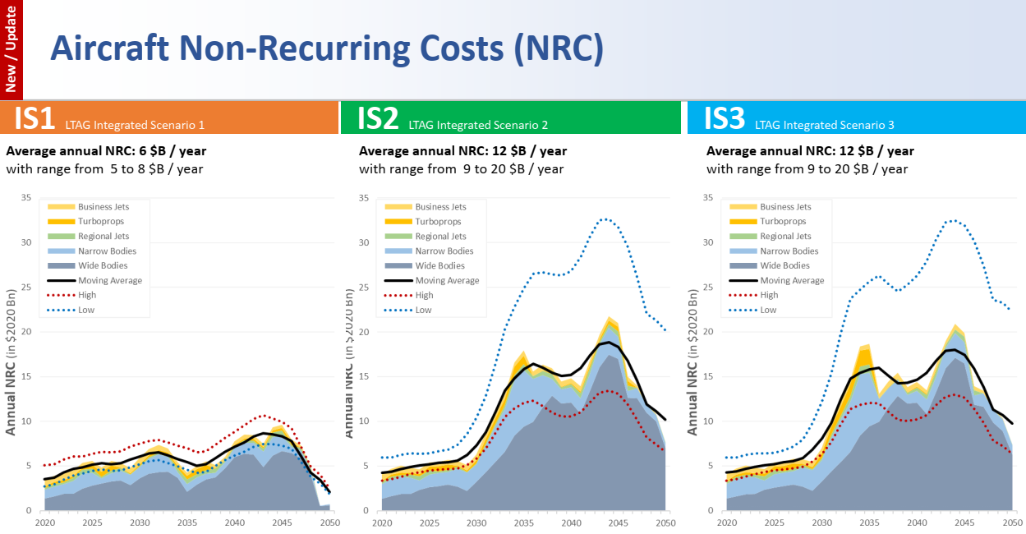 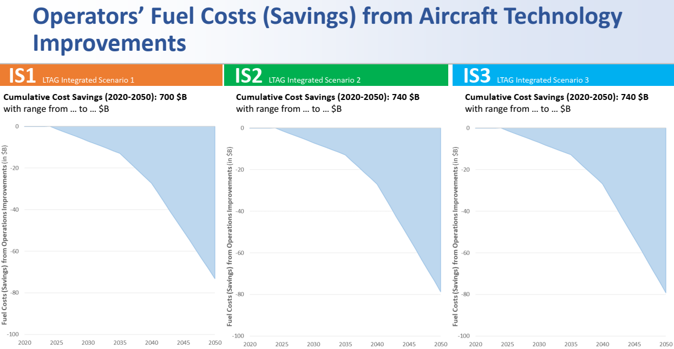 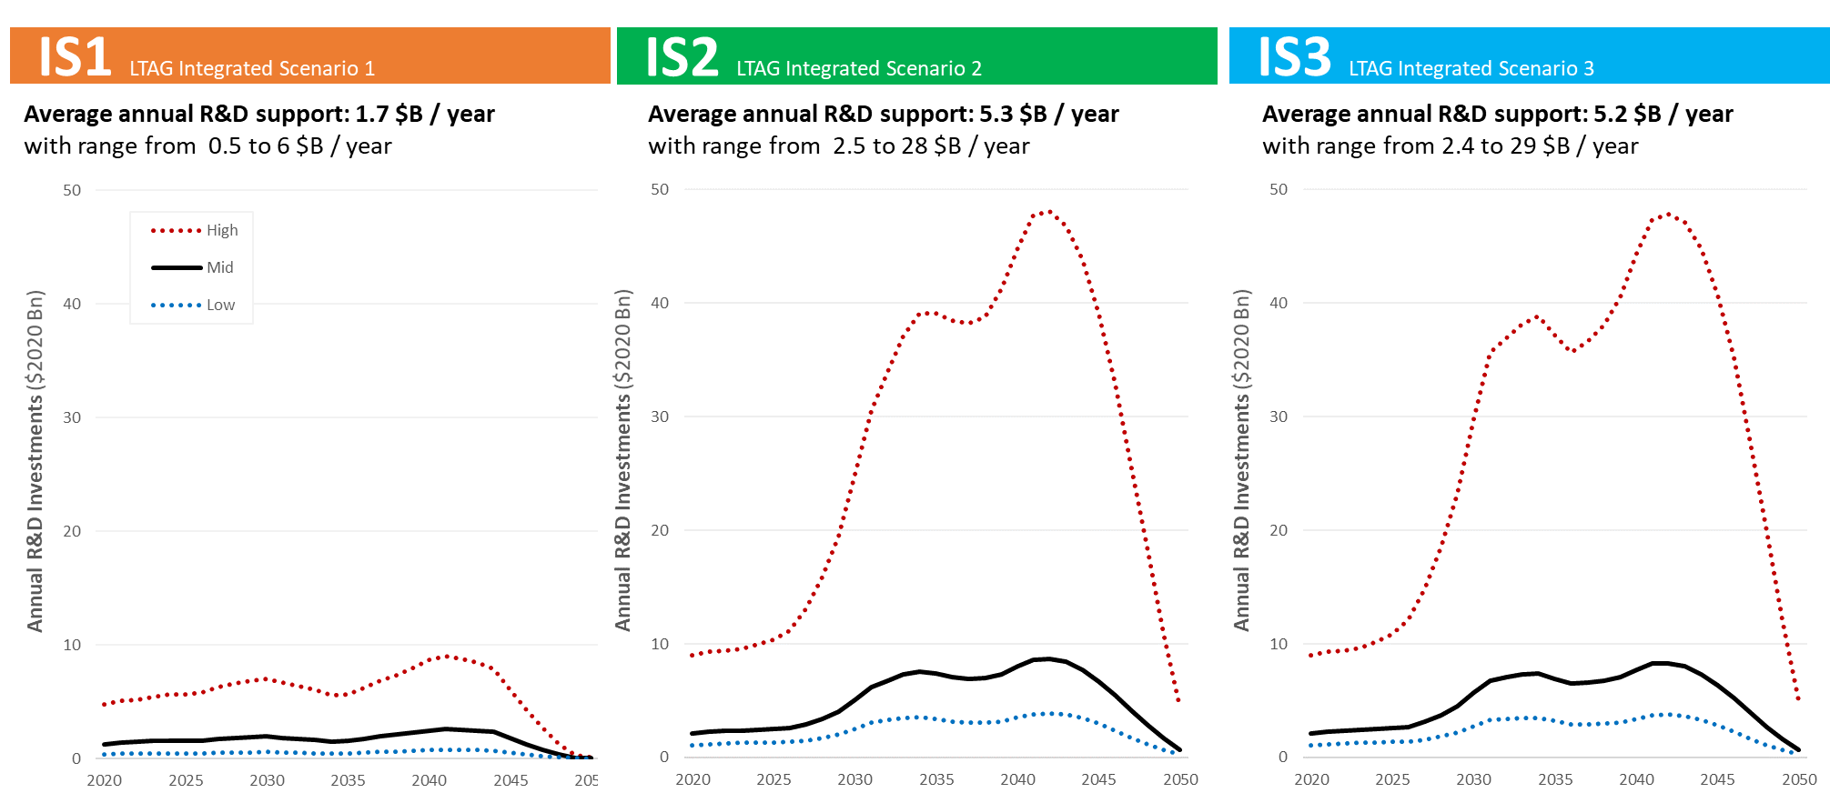 ●The Quantitative analysis outputs include the cost (investment) of Research and Development (R&D), Manufacturer NonRecurring Costs (NRC) and Fuel Costs (i.e., Savings). ★IS1 Under IS1, to deliver aircraft technology improvements in the form of future Advanced Tube and Wing aircraft (ATW), aircraft manufacturers would need to invest on the order of $180 billion (range $150-380B) between 2020 and 2050. ★IS2 Unlike IS1, the integrated scenario 2 considers unconventional aircraft configurations i.e., ACA-T2s (see LTAG-TG Technology appendix for details). These aircraft are expected to require additional development costs. Under this scenario, aircraft manufacturers would need to invest on the order of $350 billion (range $260-990B) between 2020 and 2050. Given the entry into service assumptions of ACA-T2s starting in the mid-2030s and continuing in the late 2040s, a substantial increase in development costs is expected in 2030s and 2040s. It should be noted that due to the frozen technology assumption at 2050 level considered in the LTAG-TG study, the cost (investment) analysis does not consider the development of new aircraft programs/families after 2050. This results in an artificial decline in non-recurring costs in the late 2040s that may not reflect expectations or reality in the absence of a 2050 frozen aircraft technology assumption. ★IS3 An integrated scenario 3 which includes hydrogen powered aircraft (ACA-T3s) would require aircraft manufacturers to invest on the order of $350 billion (range $260-1000B) between 2020 and 2050 (compared to an IS0 scenario). On an annual basis this represents = $12 billion per year. The overall investments associated with IS3 are not fundamentally different than under IS2 given that development costs of ACA-T3s are not necessarily higher than ACA-T2s as T3s may be based on tube and wing configurations (and not in addition to un-conventional T2 configurations). | The earliest EIS date for the ACA-T2 and ACA-T3 of Turboprop is 2035 | Electric Aircraft Propulsion: - Access/competition for power - Electricity generation from renewable energy - Airport infrastructure Hydrogen: - Green hydrogen production - Airport infrastructure - Stakeholder acceptability | Electric Aircraft Propulsion: - Weight (low gravimetric energy and power density of systems and components) - Altitude effects - Certification Hydrogen: - Cryogenic storage - Onboard delivery and thermal management of hydrogen - Certification of new, unconventional systems | - Infrastructure (airport operational) - Infrastructure (energy production, delivery, storage and fueling at the airport for non-drop-in fuels) - Large-scale integrated demonstrations of ACA-relevant technologies and systems - New methods of compliance for certification of ACA-relevant technologies and systems | ACA-T2: Parallel hybrid electric with in-flight charging and/or minor ground charging (requiring minimal/no infrastructure changes ACA-T3: hydrogen-powered aircraft and battery or H2 fuel cell hybrids (requiring significant infrastructure changes)
 |  |  |  |  |  |  | 2018 | 2030 | 2040 | 2049 | 2050–2070
 |  |  |  | T1 | ATW-T1 | Lower Progress | 8.807 | 93.80% | 88.10% | 85.70% | 85.40%
 |  |  |  |  |  | Medium Progress | 8.807 | 88.00% | 82.20% | 79.50% | 79.20%
 |  |  |  |  |  | Higher Progress | 8.807 | 84.10% | 78.00% | 75.20% | 74.90%
 |  |  |  | T2 | ACA-T2 | Lower Progress |  |  | 83.70% | 81.40% | 81.20%
 |  |  |  |  |  | Medium Progress |  |  | 74.00% | 71.60% | 71.30%
 |  |  |  |  |  | Higher Progress |  |  | 64.90% | 60.40% | 59.90%
 |  |  |  | T3 | ACA-T3 | Lower Progress |  |  | 97.00% | 94.30% | 94.00%
 |  |  |  |  |  | Medium Progress |  |  | 82.20% | 79.50% | 79.20%
 |  |  |  |  |  | Higher Progress |  |  | 70.20% | 67.70% | 67.40%
T02 | Technology | Regional Jet | ●ICAO MDG CBin Category △03: RJ 20-85 Pax △04: RJ 86-100 Pax ●Notional E190-E2 ●Range Limitations △TRA Range (nmi): 3,350 △ATW-T1 Range (nmi): 3,350 △ACA-T2 Range (nmi): 3,350 △ACA-T3 Range (nmi): 1000 ●ATW Results Sheet-RJ show the Detailed ATW technical information ●Market Share Sheet shows the market share ●Regional Jet Energy Detail Tables shows year-by-year improvements | Vehicle Perspective |  |  | Energy Intensity (MJ/ATK) | Energy Intensity Relative to 2018 TRA |  |  |  |  | The earliest EIS date for the ACA-T2 and ACA-T3 of Regional jet is 2035 | Electric Aircraft Propulsion: - Access/competition for power - Electricity generation from renewable energy - Airport infrastructure Hydrogen: - Green hydrogen production - Airport infrastructure - Stakeholder acceptability | UDF: - Certification (noise) Electric Aircraft Propulsion: - Weight (low gravimetric energy and power density of systems and components) - Altitude effects - Certification Hydrogen: - Cryogenic storage - Onboard delivery and thermal management of hydrogen - Certification of new, unconventional systems | - Infrastructure (airport operational) - Infrastructure (energy production, delivery, storage and fueling at the airport for non-drop-in fuels) - Large-scale integrated demonstrations of ACA-relevant technologies and systems - New methods of compliance for certification of ACA-relevant technologies and systems | ACA-T2: Truss-braced wings (TBW), boxed wings (BW), hybrid/blended-wing bodies (HWB), unducted fans (UDF), mild hybrid-electric propulsion - do not require major infrastructure changes ACA-T3: Electric propulsion and hydrogen-powered aircraft with either advanced conventional or alternative airframe - most likely modified conventional airframe initially
 |  |  |  |  |  |  | 2018 | 2030 | 2040 | 2049 | 2050–2070
 |  |  |  | T1 | ATW-T1 | Lower Progress | 7.389 | 97.10% | 91.30% | 87.00% | 86.50%
 |  |  |  |  |  | Medium Progress | 7.389 | 93.50% | 85.90% | 82.50% | 82.20%
 |  |  |  |  |  | Higher Progress | 7.389 | 88.90% | 81.60% | 78.90% | 78.60%
 |  |  |  | T2 | ACA-T2 | Lower Progress |  |  | 86.80% | 82.60% | 82.20%
 |  |  |  |  |  | Medium Progress |  |  | 77.30% | 74.30% | 73.90%
 |  |  |  |  |  | Higher Progress |  |  | 68.00% | 63.30% | 62.80%
 |  |  |  | T3 | ACA-T3 | Lower Progress |  |  | 109.60% | 104.40% | 103.80%
 |  |  |  |  |  | Medium Progress |  |  | 98.80% | 94.90% | 94.50%
 |  |  |  |  |  | Higher Progress |  |  | 77.60% | 74.90% | 74.60%
T03 | Technology | Narrow Body | ●ICAO MDG CBin Category △05: NB 101-125 Pax △06: NB 126-150 Pax △07: NB 151-175 Pax △08: NB 176-210 Pax ●Notional A320neo ●Range Limitations △TRA Range (nmi): 3,360 △ATW-T1 Range (nmi): 3,360 △ACA-T2 Range (nmi): 3,360 △ACA-T3 Range (nmi): 2,000 ●ATW Results Sheet-NB show the Detailed ATW technical information ●Market Share Sheet shows the market share ●Narrow Body Energy Detail Tables shows year-by-year improvements | Vehicle Perspective |  |  | Energy Intensity (MJ/ATK) | Energy Intensity Relative to 2018 TRA |  |  |  |  | The earliest EIS date for the ACA-T2 and ACA-T3 of Narrow body is 2035 | Electric Aircraft Propulsion: - Access/competition for power - Electricity generation from renewable energy - Airport infrastructure Hydrogen: - Green hydrogen production - Airport infrastructure - Stakeholder acceptability | UDF: - Certification (noise) Electric Aircraft Propulsion: - Weight (low gravimetric energy and power density of systems and components) - Altitude effects - Certification Hydrogen: - Cryogenic storage - Onboard delivery and thermal management of hydrogen - Certification of new, unconventional systems | - Infrastructure (airport operational) - Infrastructure (energy production, delivery, storage and fueling at the airport for non-drop-in fuels) - Large-scale integrated demonstrations of ACA-relevant technologies and systems - New methods of compliance for certification of ACA-relevant technologies and systems | ACA-T2: Truss-braced wings (TBW), boxed wings (BW), hybrid/blended-wing bodies (HWB), unducted fans (UDF), mild hybrid-electric propulsion - do not require major infrastructure changes ACA-T3: Electric propulsion and hydrogen-powered aircraft with either advanced conventional or alternative airframe - most likely modified conventional airframe initially
 |  |  |  |  |  |  | 2018 | 2030 | 2040 | 2049 | 2050–2070
 |  |  |  | T1 | ATW-T1 | Lower Progress | 6.74 | 96.00% | 86.90% | 81.90% | 81.30%
 |  |  |  |  |  | Medium Progress | 6.74 | 89.20% | 81.10% | 76.30% | 75.80%
 |  |  |  |  |  | Higher Progress | 6.74 | 82.70% | 75.80% | 72.40% | 72.00%
 |  |  |  | T2 | ACA-T2 | Lower Progress |  |  | 82.60% | 77.80% | 77.30%
 |  |  |  |  |  | Medium Progress |  |  | 73.00% | 68.70% | 68.20%
 |  |  |  |  |  | Higher Progress |  |  | 63.10% | 58.20% | 57.60%
 |  |  |  | T3 | ACA-T3 | Lower Progress |  |  | 104.30% | 98.20% | 97.60%
 |  |  |  |  |  | Medium Progress |  |  | 93.30% | 87.80% | 87.20%
 |  |  |  |  |  | Higher Progress |  |  | 72.00% | 68.80% | 68.40%
T04 | Technology | Wide Body | ●ICAO MDG CBin Category △09: WB 211-300 Pax △10: WB 301-400 Pax △11: WB 400+ Pax △Freighter CBins ●Notional A350-900 ●Range Limitations △TRA Range (nmi): 8,000 △ATW-T1 Range (nmi): 8,000 △ACA-T2 Range (nmi): 8,000 △ACA-T3 Range (nmi): 8,000 ●ATW Results Sheet-WB show the Detailed ATW technical information ●Market Share Sheet shows the market share ●Wide Body Energy Detail Tables shows year-by-year improvements | Vehicle Perspective |  |  | Energy Intensity (MJ/ATK) | Energy Intensity Relative to 2018 TRA |  |  |  |  | The earliest EIS date for the ACA-T2 of Wide body is 2040 and ACA-T3 of Wide body is 2050 | Electric Aircraft Propulsion: - Access/competition for power - Electricity generation from renewable energy - Airport infrastructure Hydrogen: - Green hydrogen production - Airport infrastructure - Stakeholder acceptability | Electric Aircraft Propulsion: - Weight (low gravimetric energy and power density of systems and components) - Altitude effects - Certification Hydrogen: - Cryogenic storage - Onboard delivery and thermal management of hydrogen - Certification of new, unconventional systems | - Infrastructure (airport operational) - Infrastructure (energy production, delivery, storage and fueling at the airport for non-drop-in fuels) - Large-scale integrated demonstrations of ACA-relevant technologies and systems - New methods of compliance for certification of ACA-relevant technologies and systems | ACA-T2: Truss-braced wings (TBW), boxed wings (BW), hybrid/blended-wing bodies (HWB), mild hybrid-electric propulsion - do not require major infrastructure changes ACA-T3: Electric propulsion and hydrogen-powered aircraft with either advanced conventional or alternative airframe - most likely modified conventional airframe initially
 |  |  |  |  |  |  | 2018 | 2030 | 2040 | 2049 | 2050–2070
 |  |  |  | T1 | ATW-T1 | Lower Progress | 8.468 | 96.30% | 85.60% | 79.50% | 78.90%
 |  |  |  |  |  | Medium Progress | 8.468 | 90.60% | 78.00% | 72.80% | 72.20%
 |  |  |  |  |  | Higher Progress | 8.468 | 83.30% | 70.70% | 66.40% | 65.90%
 |  |  |  | T2 | ACA-T2 | Lower Progress |  |  | 81.30% | 75.60% | 74.90%
 |  |  |  |  |  | Medium Progress |  |  | 70.20% | 65.50% | 65.00%
 |  |  |  |  |  | Higher Progress |  |  | 60.10% | 53.40% | 52.70%
 |  |  |  | T3 | ACA-T3 | Lower Progress |  |  |  |  | 110.40%
 |  |  |  |  |  | Medium Progress |  |  |  |  | 72.20%
 |  |  |  |  |  | Higher Progress |  |  |  |  | 59.30%
T05 | Technology | Business Jet | ●ICAO MDG CBin Category △Business Jets CBins ●Notional G650ER ●Range Limitations △TRA Range (nmi): 7,500 △ATW-T1 Range (nmi): 7,500 △ACA-T2 Range (nmi): 7,500 △ACA-T3 Range (nmi): 7,500 ●ATW Results Sheet-BJ show the Detailed ATW technical information ●Market Share Sheet shows the market share ●Business Jet Energy Detail Tables shows year-by-year improvements | Vehicle Perspective |  |  | Energy Intensity (MJ/ATK) | Energy Intensity Relative to 2018 TRA |  |  |  |  | The earliest EIS date for the ACA-T2 of Business jet is 2035 and ACA-T3 of business jet is 2040 | Electric Aircraft Propulsion: - Access/competition for power - Electricity generation from renewable energy - Airport infrastructure Hydrogen: - Green hydrogen production - Airport infrastructure - Stakeholder acceptability | Electric Aircraft Propulsion: - Weight (low gravimetric energy and power density of systems and components) - Altitude effects - Certification Hydrogen: - Cryogenic storage - Onboard delivery and thermal management of hydrogen - Certification of new, unconventional systems | - Infrastructure (airport operational) - Infrastructure (energy production, delivery, storage and fueling at the airport for non-drop-in fuels) - Large-scale integrated demonstrations of ACA-relevant technologies and systems - New methods of compliance for certification of ACA-relevant technologies and systems | ACA-T2: Hybrid/blended-wing bodies (HWB), mild hybrid-electric propulsion - do not require major infrastructure changes ACA-T3: Flex-fuel system capable of H2 use for under 1,000nmi flights
 |  |  |  |  |  |  | 2018 | 2030 | 2040 | 2049 | 2050–2070
 |  |  |  | T1 | ATW-T1 | Lower Progress | 27.141 | 95.30% | 90.00% | 85.70% | 85.20%
 |  |  |  |  |  | Medium Progress | 27.141 | 90.50% | 84.80% | 80.50% | 80.10%
 |  |  |  |  |  | Higher Progress | 27.141 | 87.30% | 79.90% | 75.40% | 75.00%
 |  |  |  | T2 | ACA-T2 | Lower Progress |  |  | 87.80% | 83.50% | 83.10% | ●Incremental build costs (Recurring Cost) not assessed for the purpose of LTAG-TG analyses.LTAG Tech scenarios not specific and granular enough (i.e., buckets of technologies, configurations as opposed to specific aircraft type) to allow for estimating incremental build costs. ●“Fuel savings from aircraft technology improvements may be reduced by an increase in aircraft acquisition costs driven by Price After Technology Improvement i.e., aircraft technology improvements are not expected to “come for free”. Airline acquisition of new aircraft is a multiattribute decision making process, including; aircraft capabilities, operating costs (including fuel efficiency), commonality with other aircraft types in the fleet, etc. The transactions are also not publicly available, and it is challenging to extract/isolate the contribution of aircraft technology improvement to aircraft total price.” ●Asset Value Loss (AVL) assessed in very specific case of CO2 standard (i.e., timing between announcement of stringency and applicability). LTAG-TG is not conducting/replicating of CO2 standard stringency analysis.Aircraft (fleet) Asset Value Loss (AVL) not assessed in LTAG-TG analyses.
 |  |  |  |  |  | Medium Progress |  |  | 80.60% | 76.50% | 76.10%
 |  |  |  |  |  | Higher Progress |  |  | 73.20% | 68.00% | 67.50%
 |  |  |  | T3 | ACA-T3 | Lower Progress |  |  | 103.50% | 98.50% | 98.00%
 |  |  |  |  |  | Medium Progress |  |  | 89.00% | 84.60% | 84.10%
 |  |  |  |  |  | Higher Progress |  |  | 79.90% | 75.40% | 75.00%

Market Share Sheet
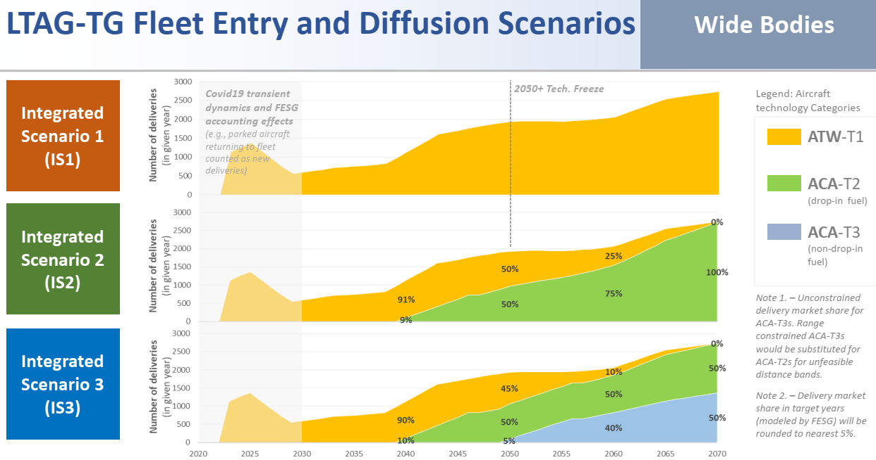
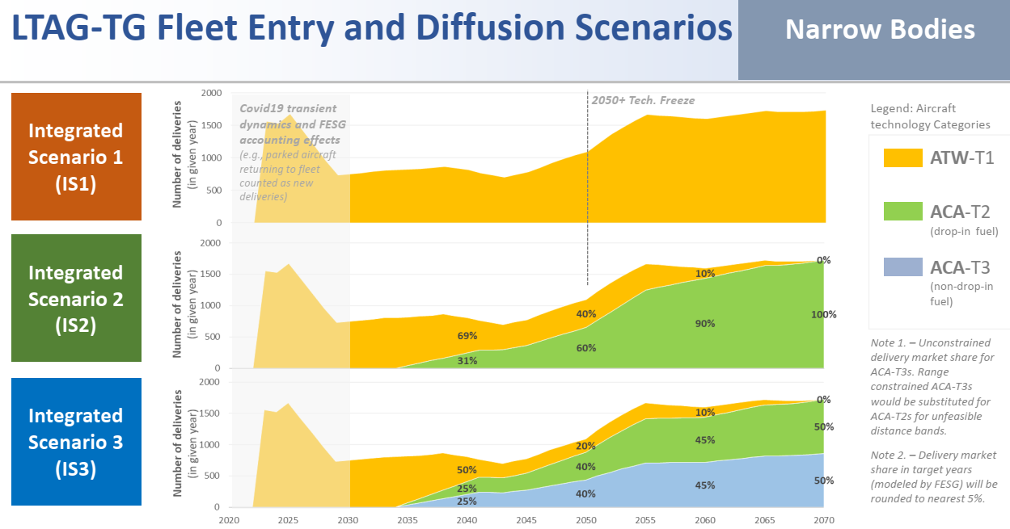
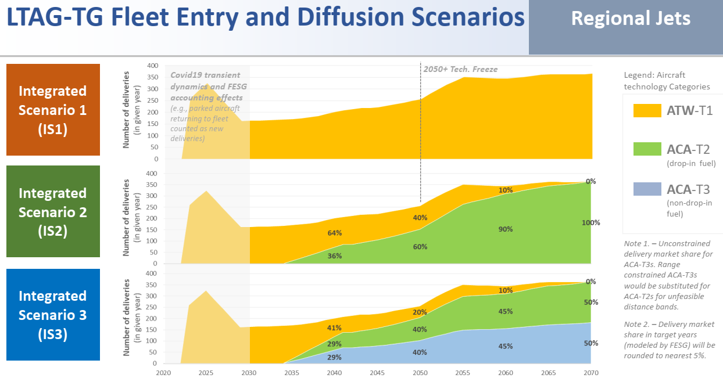
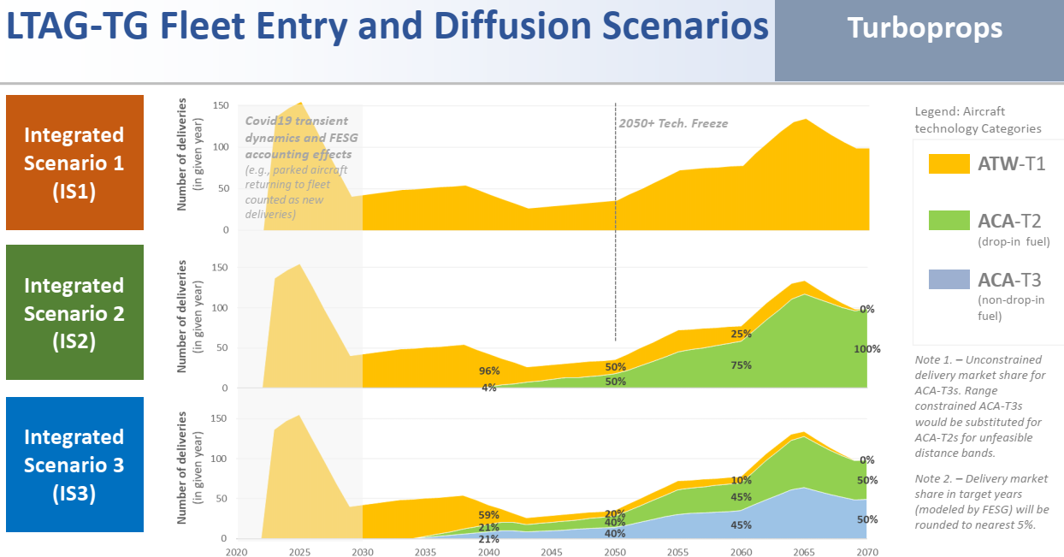
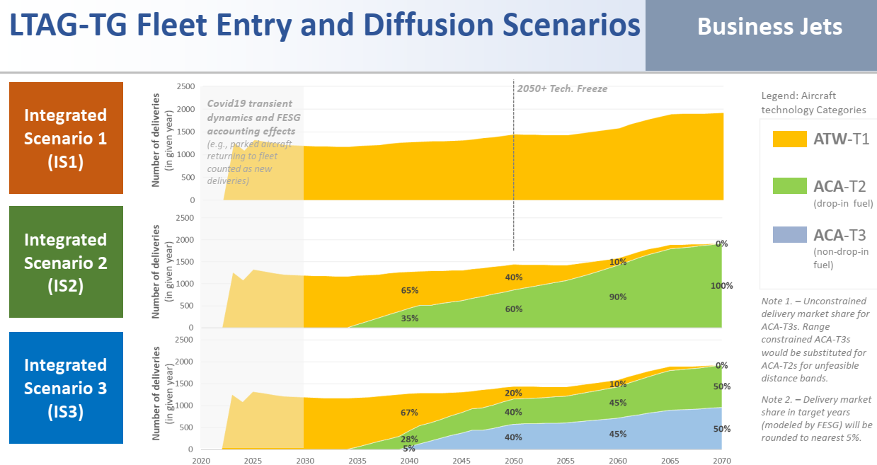
Market Share for New Deliveries |  | Turboprop |  |  |  |  |  | Regional Jet |  |  |  |  |  | Narrow Body
 |  | 2018 | 2030 | 2040 | 2050 | 2060 | 2070 | 2018 | 2030 | 2040 | 2050 | 2060 | 2070 | 2018 | 2030 | 2040 | 2050 | 2060 | 2070
IS1 | ATW-T1 | 100% | 100% | 100% | 100% | 100% | 100% | 100% | 100% | 100% | 100% | 100% | 100% | 100% | 100% | 100% | 100% | 100% | 100%
IS2 | ATW-T1 | 100% | 100% | 75% | 40% | 10% | 0% | 100% | 100% | 65% | 40% | 10% | 0% | 100% | 100% | 70% | 40% | 10% | 0%
 | ACA-T2 |  |  | 25% | 60% | 90% | 100% |  |  | 35% | 60% | 90% | 100% |  |  | 30% | 60% | 90% | 100%
IS3 | ATW-T1 | 100% | 100% | 60% | 20% | 10% | 0% | 100% | 100% | 40% | 20% | 10% | 0% | 100% | 100% | 50% | 20% | 10% | 0%
 | ACA-T2 |  |  | 20% | 40% | 45% | 50% |  |  | 30% | 40% | 45% | 50% |  |  | 25% | 40% | 45% | 50%
 | ACA-T3 |  |  | 20% | 40% | 45% | 50% |  |  | 30% | 40% | 45% | 50% |  |  | 25% | 40% | 45% | 50%

Market Share for New Deliveries |  | Wide Body |  |  |  |  |  | Business Jet
 |  | 2018 | 2030 | 2040 | 2050 | 2060 | 2070 | 2018 | 2030 | 2040 | 2050 | 2060 | 2070
IS1 | ATW-T1 | 100% | 100% | 100% | 100% | 100% | 100% | 100% | 100% | 100% | 100% | 100% | 100%
IS2 | ATW-T1 | 100% | 100% | 95% | 50% | 25% | 0% | 100% | 100% | 65% | 40% | 10% | 0%
 | ACA-T2 |  |  | 5% | 50% | 75% | 100% |  |  | 35% | 60% | 90% | 100%
IS3 | ATW-T1 | 100% | 100% | 95% | 45% | 10% | 0% | 100% | 100% | 65% | 20% | 10% | 0%
 | ACA-T2 |  |  | 5% | 50% | 50% | 50% |  |  | 30% | 40% | 45% | 50%
 | ACA-T3 |  |  |  | 5% | 40% | 50% |  |  | 5% | 40% | 45% | 50%

detailed-ops
ID | Field | Name | Brief description | CO2 emissions reduction potential/Fuel saving | Cost/Investment | Timeframe for deployment | Attainability/Readiness conditions |  | Main challenges | Notes
 |  |  |  |  |  |  | Attainability conditions | Readiness conditions
O01 | Operations | ●Air operation measure | ●Air is defined as the Air Traffic Management components in the context of the operational phases of flight: starting with take-off (wheel off): climb; cruise; descent; and, landing. Examples: CDA. CCO. Performance based navigation(PBN). Airspace redesign and mutualisation. Scheduling: departures and arrivals. Route planning. Big data and machine learning. Congestion and delays management in the sky. Airport Collaborative Decision Making (A-CDM). Flying in formation. Altitude and speed optimisation. Aircraft fuel tankering. ●Air operation measures help to improve the Horizontal Flight Efficiency, Vertical Flight Efficiency, Innovative Flight Efficiency and Advanced Flight Efficiency ★Innovative Flight Efficiency-achieved through implementation of new operational measures in the medium term, i.e. notionally from 2038, such as formation flying ★Advanced flight efficiency - results from the introduction of advanced concept aircraft into the fleet, such as blended wing body (BWB) aircraft. It is possible that these aircraft will have different performance characteristics from conventional aircraft, e.g. in terms of speed, altitude etc. At present the Ops Sub-group has no information on the expected performance characteristics of such aircraft, and awaits inputs on this from the TECH sub-group. ●The sheet of RoT measures description shows the detailed information of the air operation measures, including Brief description, CO2 emissions reduction potential/Fuel saving, Cost/Investment, Timeframe for deployment, Attainability/Readiness conditions and Main challenges | ●Average Fuel improvement of the routes group from 2025-2030, including domestic and international routes. ★Low scenario 1.95%-3.84% ★Medium scenario 2.56%-4.97% ★High scenario 3.76%-7.25% ●Average Fuel improvement of the routes group from 2025-2040, including domestic and international routes. ★Low scenario 2.62%-5.03% ★Medium scenario 3.89%-7.36% ★High scenario 6.43%-12.03% ●Average Fuel improvement of the routes group from 2025-2050, including domestic and international routes. ★Low scenario 3.52%-6.69% ★Medium scenario 5.69%-10.69% ★High scenario 10.03%-17.58% ●Average Fuel improvement of the routes group from 2025-2060, including domestic and international routes. ★Low scenario 4.06%-7.75% ★Medium scenario 6.76%-12.8% ★High scenario 12.17%-18.32% ●Average Fuel improvement of the routes group from 2025-2070, including domestic and international routes. ★Low scenario 4.52%-8.6% ★Medium scenario 7.68%-14.49% ★High scenario 13.98%-18.49% | 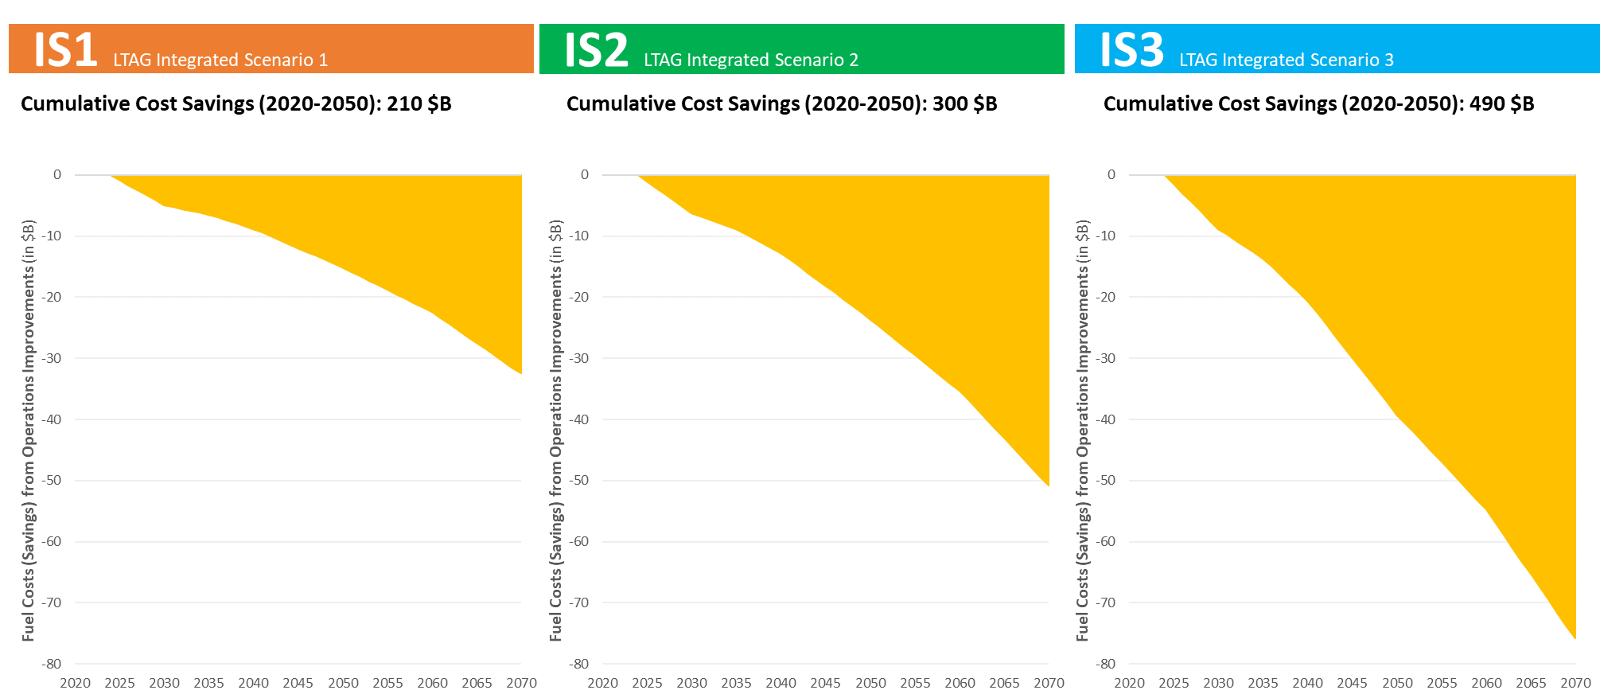 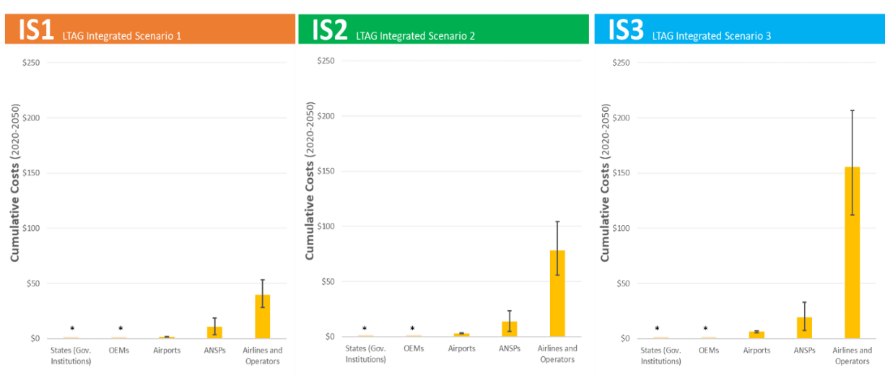 ●The Quantitative analysis outputs include the cost (investment) of CapEx & OpEx for Airports, ATM and Airlines, and Fuel Costs (i.e., Savings). Under an IS1 scenario, operations improvements could reduce operators fuel costs by = $210 billion from 2020-2050. This would increase to = $300 and $490 billion from 2020-2050 under IS2 and IS3 respectively. Operators’ fuel costs (savings) from operations improvements Costs and investments associated with operations measures | ●Timeframe for deployment please refer to the sheet of RoT measures description | ●Attainability Criteria ★Policy (global/regional/state) ★Capital investment. Equipage ★ATM/CNS system ★Ground infrastructure Trained personnel ●Attainability conditions please refer to the sheet of RoT measures description | ●Readiness Criteria ★Standards/regulations available ★Technology available ★ATM/CNS System available ★Operating procedures available ●Readiness conditions of RoT measures please refer to the sheet of RoT measures description | ●Main challenges please refer to the sheet of RoT measures description
O02 | Operations | ●Ground operation measure | ●Ground is defined as the airside operational components including: airport taxi and runway design; Aircraft movement from gate to take-off; Ground Support Equipment(GSE) towing, maintenance, fuel, gates. Examples: Congestion and delays management at airports. Airport design and facilities (taxiway, runway, solar-at-gate). Single engine taxi. Emission-free taxiing. Ground support equipment (GSE). Switch-off Auxiliary Power Unit (APU). Lighter aircraft (payload, seats, magazines). Engine and airframe maintenance. Aircraft wash. Cut contingency fuel. Reduce the local air temperature at airports. Etc. ●Ground operation measures help to improve the Ground operation Efficiency ★Ground operations efficiency - typically infrastructure-related measures that can reduce emissions at taxiway or the gate, i.e. such as semi-autonomous tow-truck (taxibot) ●The sheet of RoT measures description shows the detailed information of the air operation measures, including Brief description, CO2 emissions reduction potential/Fuel saving, Cost/Investment, Timeframe for deployment, Attainability/Readiness conditions and Main challenges

detailed-fuels
ID | Field | Name | Brief description | CO2 emissions reduction potential/Fuel saving | Cost/Investment | Timeframe for deployment | Attainability/Readiness conditions |  | Main challenges | Notes
 |  |  |  |  |  |  | Attainability Criteria | Readiness Criteria
F01 | Fuels | LTAG - Sustainable Aviation Fuels (LTAG-SAF) | Drop-in fuels that get carbon from renewable or waste resources. Drop-in fuels can directly supplement or replace petroleum-derived jet fuels. ●Biomass-based fuel ◆Carbon source in fuel feedstock: Primary biomass products and co-products ◆ LTAG FPA - Path forward: Develop low/middle/high cases for availability based on CAEP/10 FPA (Need to look more closely at cover crops as much work has been done since then) ●Solid/liquid waste-based fuels ◆Carbon source in fuel feedstock: By-products, residues, and wastes ◆ LTAG FPA - Path forward: Develop low/middle/high cases for availability based on CAEP/10 FPA (Need to look more closely at cover crops as much work has been done since then) ●Gaseous waste-based fuels ◆Carbon source in fuel feedstock: Waste CO/CO2 ◆ LTAG FPA - Path forward: Develop low/middle/high cases for CO based on CAEP/10 FPA. Develop low/middle/high cases for waste CO2 that build on the work of the CAEP/10 FPA (CAEP/10 FPA had limited consideration of fuels from waste CO2). ●Atmospheric CO2-based fuels ◆Carbon source in fuel feedstock: Atmospheric CO2 ◆ LTAG FPA - Path forward: CAEP/10 FPA did not consider atmospheric CO2. Need to develop scenario for high case (need to discuss low/middle cases). The sheets of Low, Medium and Hihg show the constrained fuel volumes to meet 100% of demand for F1, F2 and F3 for years 2035, 2050 and 2070 with accompanying LCA and overall reduction values, in the LOW, Medium and High traffic forecast, respectively. | ●Reduction in Senario F1 in the context of traffic forecast from Low to High (Million ton). ◆SAF-FTG: LTAG-SAF from biomass and solid/liquid wastes △2020: 0.78 - 0.78 △2035: 13.36 - 13.39 △2050: 142.81 - 143.86 △2070: 473.54 - 475.78 ◆SAF-CO2: LTAG-SAF waste CO2 based fuels △2020: 0 - 0 △2035: 15.88 - 15.93 △2050: 79.07 - 79.66 △2070: 75.50 - 75.86 ●Sheets of F1-Low, F1-Medium, F1-High show the demand, year-by-year improvement of fuel efficieny and fuel reduction in Scenario F1 in the Low, Medium and High traffic forecast, respectively. | 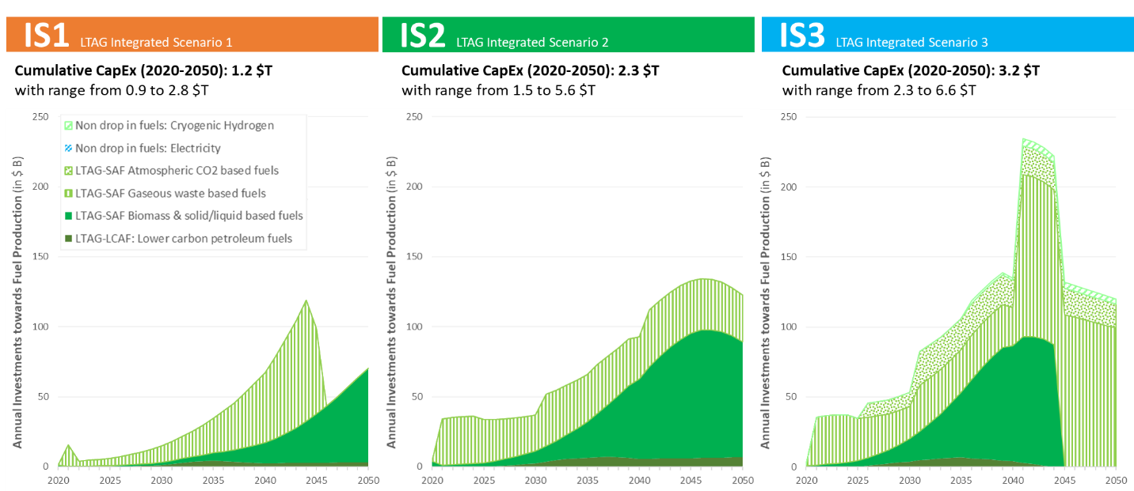 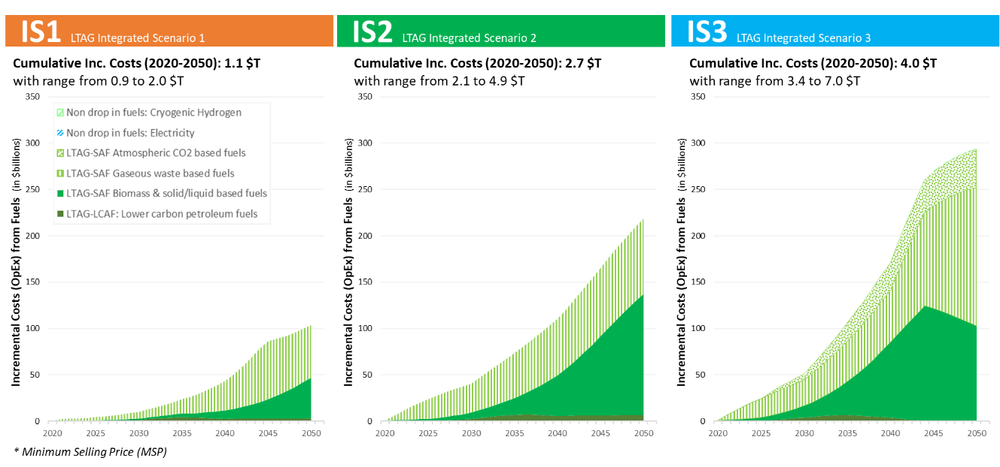 ●The Quantitative analysis outputs include the cost (investment) of Research and Development (R&D), CapEx, Feedstock Costs, Infrastructure Costs, MSP Fuels vs. Conventional Jet Fuel and Operating Costs(Lost Revenue from inc. TT) ★IS1 To start to scale the production of Fuels under and IS1 scenario, investments of = $480 billion would be required for SAF biomass-based fuels by 2050 (to cover 19% of international aviation energy use in 2050), $670 billion for SAF from gaseous waste (8% of energy use in 2050) and $70 billion towards LTAG-LCAF (7% of energy use in 2050). ★IS2 To scale the production of Fuels under the IS2 scenario (compared to IS0), investments of =$1200 billion would be required for LTAG-SAF biomass-based fuels by 2050 (to cover 53% of international aviation energy use in 2050), $1000 billion for SAF from gaseous waste (19% of energy use in 2050) and $130 billion towards LTAG-LCAF (28% of energy use in 2050). ★IS3 Under the IS3 aggressive scenario, investments of = $950 billion would be required for SAF biomass-based fuels by 2050 (to cover 42% of international aviation energy use in 2050), $1900 billion for SAF from gaseous waste (46%), $500 billion from SAF from atmospheric CO2 (10%), $70 billion towards LTAG-LCAF (0%) and $40 billion towards hydrogen (2%). | ●Sheet of Low shows the Constrained fuel volumes to meet 100% of demand for F1, F2 and F3 for years 2035, 2050 and 2070 with accompanying LCA and overall reduction values, in the low traffic forecast, including: △SAF-FTG △SAF-CO2 △SAF-DAC △LCAF △LH2 ●Sheet of Medium shows the Constrained fuel volumes to meet 100% of demand for F1, F2 and F3 for years 2035, 2050 and 2070 with accompanying LCA and overall reduction values, in the Medium traffic forecast, including: △SAF-FTG △SAF-CO2 △SAF-DAC △LCAF △LH2 ●Sheet of High shows the Constrained fuel volumes to meet 100% of demand for F1, F2 and F3 for years 2035, 2050 and 2070 with accompanying LCA and overall reduction values, in the High traffic forecast, including: △SAF-FTG △SAF-CO2 △SAF-DAC △LCAF △LH2 | • Capital investment • Minimum fuel selling price • Land area • Water • Soil (residue extraction) • Biodiversity • Infrastructure for fuel transport to airport | • ASTM approval process • Fuel conversion tech status • Systems available to produce low carbon energy carriers
 |  |  |  | ●Reduction in Senario F2 in the context of traffic forecast from Low to High (Million ton). ◆SAF-FTG: LTAG-SAF from biomass and solid/liquid wastes △2020: 3.15 - 3.15 △2035: 68.44 - 68.63 △2050: 416.65 - 419.77 △2070: 588.56 - 591.47 ◆SAF-CO2: LTAG-SAF waste CO2 based fuels △2020: 0 - 0 △2035: 67.9 - 68.09 △2050: 51.81 - 314.28 △2070: 204.82 - 567.71 ●Sheets of F2-Low, F2-Medium, F2-High show the demand and year-by-year improvement in Scenario F2 in the Low, Medium and High traffic forecast, respectively.
 |  |  |  | ●Reduction in Senario F3 in the context of traffic forecast from Low to High (Million ton). ◆SAF-FTG: LTAG-SAF from biomass and solid/liquid wastes △2020: 4.51 - 4.51 △2035: 136.9 - 137.29 △2050: 177.29 - 462.79 △2070: 93.78 - 537.78 ◆SAF-CO2: LTAG-SAF waste CO2 based fuels △2020: 0 - 0 △2035: 79.07 - 79.29 △2050: 416.5 - 419.56 △2070: 67.78 - 68.12 ◆SAF-DAC:LTAG-SAF atmospheric CO2 based fuels (DAC = direct air capture) △2020: 0 - 0 △2035: 29.32 - 29.4 △2050: 98.57 - 99.29 △2070: 600.96 - 603.98 ●Sheets of F3-Low, F3-Medium, F3-High show the demand and year-by-year improvement in Scenario F3 in the Low, Medium and High traffic forecast, respectively.
F02 | Fuels | LTAG - Lower Carbon Aviation Fuels (LTAG-LCAF) | Drop-in fuels that get the carbon in their fuel from fossil resources. ●Lower carbon petroleum fuels ◆Carbon source in fuel feedstock: Petroleum ◆ LTAG FPA - Path forward: Develop low/middle/high cases for availability of LCAF (where LTAG LCAF have less than 80 gCO2/MJ) | ●Reduction in Senario F1 in the context of traffic forecast from Low to High (Million ton) ◆LCAF △2020: 0 - 0 △2035: 4.76 - 6.36 △2050: 7.15 - 10.55 △2070: 11.04 - 18.37 |  |  | • Capital investment • Minimum fuel selling price • CCS capacity • Water • Infrastructure for fuel transport to airport | • ASTM approval process • Fuel conversion tech status • Systems available to produce low carbon energy carriers
 |  |  |  | ●Reduction in Senario F2 in the context of traffic forecast from Low to High (Million ton) ◆LCAF △2020: 0 - 0 △2035: 11.13 - 14.86 △2050: 25.63 - 37.82 △2070: 25.86 - 70.27
 |  |  |  | ●Reduction in Senario F3 in the context of traffic forecast from Low to High (Million ton) ◆LCAF △2020: 0 - 0 △2035: 22.59 - 30.17 △2050: 0 - 0 △2070: 0 - 0
F03 | Fuels | Non drop-in fuels | ●Electricity ◆Carbon source in fuel feedstock: Not applicable ◆ LTAG FPA - Path forward: Will examine electricity use in short range aircraft if deemed significant by TECH in F3 ●Liquefied gas aviation fuels (ASKT) ◆Carbon source in fuel feedstock: Petroleum gas, “fat” natural gas, flare gas, and propane-butane gases ◆ LTAG FPA - Path forward: As a case study, will examine use in remote areas with stranded hydrocarbon resources (e.g., artic regions) ●Cryogenic hydrogen (LH2) ◆Carbon source in fuel feedstock: Natural gas, by-products, non-carbon sources ◆ LTAG FPA - Path forward: For F3 only, will examine the introduction of LH2 aircraft with range less than 2,000 nm that could enter fleet in 2035 to quantify the infrastructure challenges and potential CO2 reduction benefit. Need coordination with Tech SG | ●Only quantifiy the reduction of LH2 in the context of traffic forecast from Low to High (Million ton). LH2 will come into application only in Senario F3. ◆LH2 △2020: 0 - 0 △2035: 0 - 0 △2050: 15.90 - 22.27 △2070: 388.01 - 635.32 |  |  | • Capital investment • Minimum fuel selling price • Infrastructure for fuel transport to airport • Land area • Water | • Standards / regulations available to govern safety, handling, etc. • Technology available to produce energy carrier • Systems available to produce low carbon energy carrier

